Methodology
LightCounting Market Research
Published November 30, 2022 - Sample forecast spreadsheet
3D Depth Sensing and Automotive LiDAR forecast

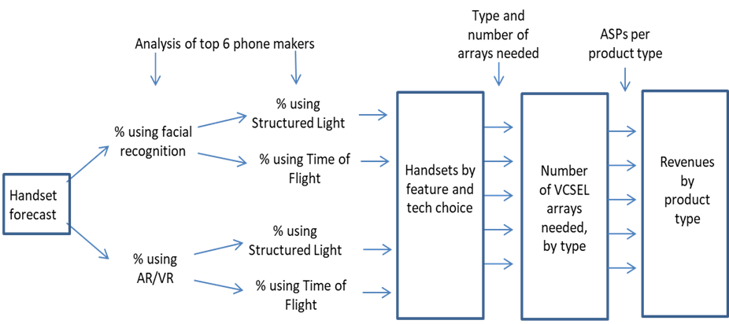
The methodology used to create the 3D Sensors for Smartphones forecast is depicted in the diagram below.

The main steps in the forecast are as follows:
1. | A forecast of handsets is developed using data available from vendors and other third parties.
2. | Subsets of the handset forecast are estimated representing phones that will offer facial recognition, and Augmented Reality/Virtual Reality
3. | Each of the above is split into subgroups using structured light or time of flight technologies to implement the facial recognition and AR/VR
4. | Handsets by feature and technology are estimated from the above
5. | Product groups representing different VCSEL arrays for various applications, differentiated by power and number of emitters/array, are created
6. | Handset numbers are multiplied by the array assumptions to create the array forecast at the product group level
7. | Price assumptions are developed based on discussions and inputs from industry participants
8. | Future prices are estimated by applying assumed price declines per year to each product and year
9. | Revenues are calculated as the product of ASPs and unit shipments

The methodology used to create the Automotive LiDAR forecast is as follows:
1. | A forecast of vehicle production is developed using data available from trade associations and manufacturers
2. | Subsets of the vehicle production forecast are estimated representing different markets: self-driving taxis (retrofitted), L3, L4, L5 autonomy in light vehicles (LV) and trucks
3. | Each of the above markets is split into estimates for the technology requirements and number of lidar units per vehicle
4. | Product groups representing different lidar requirements for various markets, differentiated by wavelength, range and number of beams, are created
5. | Vehicle numbers are multiplied by the product assumptions to create the LiDAR sensor forecast at the product group level
6. | Price assumptions are developed based on discussions and inputs from industry participants
7. | Future prices are estimated by applying assumed price declines per year to each product and year
8. | Revenues are calculated as the product of ASPs and unit shipments

Product definitions
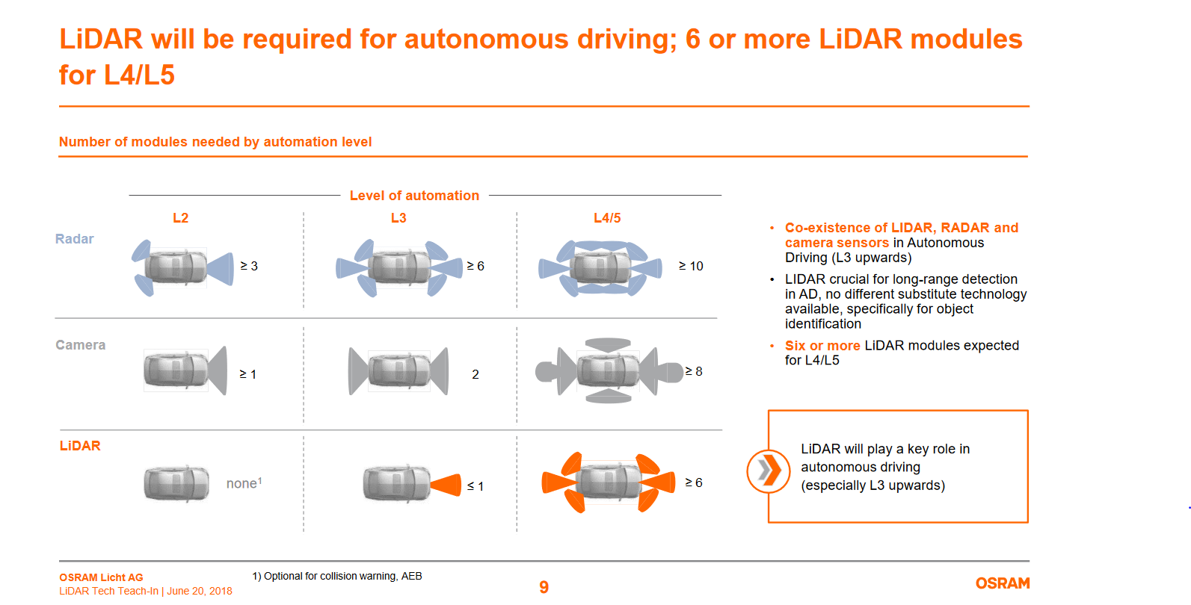
LightCounting Market Research
Published November 30, 2022 - Sample forecast spreadsheet
3D Depth Sensing and Automotive LiDAR forecast

3S Sensing Market Segmentation and Product definitions
Forecast scope includes VCSEL arrays used in 3D Sensors in smartphones only.

VCSEL array product definitions |  |  |  | Used in these handset applications
Product category | # emitters/ VCSEL die | Wavelength (nm) | Power (mW) | Gesture and facial recognition (SL) | Gesture and facial recognition (TOF) | Gesture and facial recognition (AS) | AR/VR (SL) | AR/VR (TOF) | Average # emitters/ VCSEL die
Proximity sensor (3D) | 1-10 | 940 | ≤20 | √ | √ | √ |  |  | 5
Flood illuminator | 20-50 | 940 | 200-500 | √ |  |  | √ |  | 35
Dot projector array | 50-300 | 940 | 500-1000 | √ |  |  | √ |  | 175
Flash illuminator LP | 50-300 | 940 | 500-1000 |  | √ |  |  |  | 175
Flash illuminator HP | 300-1000 | 940 | 1000-3000 |  |  |  |  | √ | 500
New sensor applications | TBD | TBD | TBD |  |  |  |  |  | TBD
LP = Low Power; HP=High Power |  |  | Location on phone >> | Front camera |  |  | Rear camera
All new phones are using 940 nm products starting in 2018.
Some legacy devices use 850 nm.
Front camera = located on display side of the phone, facing user
Rear camera = faces away from user, also called world facing
 |  |  |  |  | AS = Active Stereo | possible alternative to structured light, not included in forecast at this time as no evidence of adoption as of October 2019

Automotive LiDAR Market Segmentation and Product definitions

Market segments | Category | Level 1 | Level 2/3 | Level 4/5
Light Vehicles | ADAS
Robotic Taxis | AV
Autonomous Trucks | AV
 |  |  |  |  |  |  |  |  | L4/5 product sensor suites
LIDAR module product definitions |  |  |  |  |  |  |  |  | Numbers are cameras of each type per suite
product group name in forecast |  | H-FOV* | Range | Beams | Technology | Level | Typical ADAS Function Enabled |  | Suite A | Suite B | Suite C | Suite D
Range-finder for AEB |  | 22° | Short | 1 | 1D Fixed | L1 | Pre-Collision Warning / AEB
Forward facing sensor (L2/L3) |  | 45° | Mid | 4 | Scanning | L3 | Traffic Jam Assist (City Driving)
Corner/side sensor (L2/3/4/5) |  | 120° | Short | 64 | Flash | L4/5 | Blind Spot Monitor / Cross Traffic Alert |  | 4 | 4 | 4 | 4
Front/rear facing sensor (L2/3/4/5) |  | 45° | Long | 16 | Scanning | L4/5 | Adaptive Cruise Control |  |  |  | 2
360° sensor (L4/5 robotic taxis, trucks) |  | 360° | Mid | 32 | Scanning | L4/5 | Surround View |  | 1 | 1 | 1
 |  | 360° | Long | 64 | Scanning | L4/5 | Surround View
New sensor applications |  | Various | Various | Various | Various | Various | Various |  |  |  |  | 1
 |  |  | *H-FOV = horizontal field of view |  |  |  |  |  | Uber gen 1 | Mobileye | Aptiv | Voyage
 |  |  |  |  |  |  |  |  | Ford, GM
LIDAR module design & function |  |  |  | LIDAR optical technology types
single-beam rangefinder |  |  |  | Single laser |  | in use since 2003
solid-state for positioning and detection |  |  |  | Flash |  | < uses Si SPAD (single-photon avalanche photodiode) detectors
scanning for positioning and detection |  |  |  | Linear array
solid-state for positioning and detection |  |  |  | Phased/steerable array |  | possible SiP devices in this category

3D sensors forecast
LightCounting Market Research
Published November 30, 2022 - Sample forecast spreadsheet
3D Depth Sensing and Automotive LiDAR forecast

VCSEL array forecast for 3D Depth Sensing mobile handset applications (mn)
 | Proximity sensor (3D) | Flood illuminator | Dot projector array | Flash illuminator LP | Flash illuminator HP | New sensor applications
2017 | 37 | 37 | 37 | - | 0.0 | -
2018 | 123 | 123 | 123 | - | 0.1 | -
2019
2020
2021
2022
2023
2024
2025
2026
2027
Shipment forecast
 | Proximity sensor (3D) | Flood illuminator | Dot projector array | Flash illuminator LP | Flash illuminator HP | New sensor applications
2017 | 37 | 37 | 37 | - | 0.0 | -
2018 | 123 | 123 | 123 | - | 0.1 | -
2019
2020
2021
2022
2023
2024
2025
2026
2027

Proximity sensor arrays are highest volume because used with both SL and TOF facial recognition, and on other phones for autofocus as well.
Flood and dot arrays are next highest because used in structured light approach in facial recognition in iPhone X
Flash array lowest volume because mainly used in AR/VR, not a popular approach for facial recognition.
Key assumptions:
1. Facial recognition is in 41% of all smartphones by 2024
2. AR/VR is in 20% of all phones by 2024
3. TOF lags Structured Light in market by three years
Units shipped (VCSEL arrays, millions)
Product category | # emitters/ VCSEL die | Wavelength (nm) | Power (mW) | 2017 | 2018 | 2019 | 2020 | 2021 | 2022 | 2023 | 2024 | 2025 | 2026 | 2027
Proximity sensor (3D) | 1-10 | 940 | ≤20 | 37 | 123
Flood illuminator | 20-50 | 940 | 200-500 | 37 | 123
Dot projector array | 50-300 | 940 | 500-1000 | 37 | 123
Flash illuminator LP | 50-300 | 940 | 500-1000 | - | -
Flash illuminator HP | 300-1000 | 940 | 1000-3000 | - | 0.1
New sensor applications | TBD | TBD | TBD | - | -
Total |  |  |  | 110 | 368 | - | - | - | - | - | - | - | - | -
 | New sensor applications | Flash illuminator HP | Flash illuminator LP | Dot projector array | Flood illuminator | Proximity sensor (3D)
2017 |  |  |  | $5.00 | $1.00 | $0.50
2018 |  |  | $4.50 | $3.75 | $0.85 | $0.40
2019
2020
2021
2022
2023
2024
2025
2026
2027
 |  |  |  |  | 234% | -100% | #DIV/0! | #DIV/0! | #DIV/0! | #DIV/0! | #DIV/0! | #DIV/0! | #DIV/0! | #DIV/0!
 |  |  |  |  |  |  |  |  |  |  | #DIV/0! | #DIV/0! | #DIV/0! | #DIV/0!

ASPs (per array)
Product category | # emitters/ VCSEL die | Wavelength (nm) | Power (mW) | 2017 | 2018 | 2019 | 2020 | 2021 | 2022 | 2023 | 2024 | 2025 | 2026 | 2027
Proximity sensor (3D) | 1-10 | 940 | ≤20 | $0.50 | $0.40
Flood illuminator | 20-50 | 940 | 200-500 | $1.00 | $0.85
Dot projector array | 50-300 | 940 | 500-1000 | $5.00 | $3.75
Flash illuminator LP | 50-300 | 940 | 500-1000 |  | $4.50
Flash illuminator HP | 300-1000 | 940 | 1000-3000
New sensor applications | TBD | TBD | TBD
Grand average |  |  |  | $2.17 | $1.67 | #DIV/0! | #DIV/0! | #DIV/0! | #DIV/0! | #DIV/0! | #DIV/0! | #DIV/0! | #DIV/0! | #DIV/0!
Average without proximity sensor |  |  |  | $3.00 | $2.30 | #DIV/0! | #DIV/0! | #DIV/0! | #DIV/0! | #DIV/0! | #DIV/0! | #DIV/0! | #DIV/0! | #DIV/0!
 | Proximity sensor (3D) | Flood illuminator | Dot projector array | Flash illuminator LP | Flash illuminator HP | New sensor applications
2017 | $18 | $37 | $184 | $- | $- | $-
2018 | $49 | $104 | $460 | $- | $- | $-
2019
2020
2021
2022
2023
2024
2025
2026
2027
Revenue forecast
 | Dot projector array | Flash illuminator LP | Flash illuminator HP | Flood illuminator | New sensor applications | Proximity sensor (3D)
2017 | $184 | $- | $- | $37 | $- | $18
2018 | $460 | $- | $- | $104 | $- | $49
2019
2020
2021
2022
2023
2024
2025
2026
2027

Sales ($ mn)
Product category | # emitters/ VCSEL die | Wavelength (nm) | Power (mW) | 2017 | 2018 | 2019 | 2020 | 2021 | 2022 | 2023 | 2024 | 2025 | 2026 | 2027
Proximity sensor (3D) | 1-10 | 940 | ≤20 | $18 | $49
Flood illuminator | 20-50 | 940 | 200-500 | $37 | $104
Dot projector array | 50-300 | 940 | 500-1000 | $184 | $460
Flash illuminator LP | 50-300 | 940 | 500-1000 | $- | $-
Flash illuminator HP | 300-1000 | 940 | 1000-3000 | $- | $-
New sensor applications | TBD | TBD | TBD | $- | $-
Total |  |  |  | $239 | $614 | $- | $- | $- | $- | $- | $- | $- | $- | $-
 |  |  |  |  | 157% | -100% | #DIV/0! | #DIV/0! | #DIV/0! | #DIV/0! | #DIV/0! | #DIV/0! | #DIV/0! | #DIV/0!
3D face recognition |  |  |  | $239 | $614
Worl-Facing arrays |  |  |  | $- | $-
LIDAR |  |  |  | $187 | $191

Proximity sensors forecast
LightCounting Market Research
Published November 30, 2022 - Sample forecast spreadsheet
3D Depth Sensing and Automotive LiDAR forecast

Proximity sensor VCSEL array forecast for all mobile handset applications

Shipment forecast
 | for other applications | for 3D sensing
2017 | 266 | 37
2018 | 267 | 123
2019
2020
2021
2022
2023
2024
2025
2026
2027
Shipment forecast
 | for other applications | for 3D sensing
2017 | 266 | 37
2018 | 267 | 123
2019
2020
2021
2022
2023
2024
2025
2026
2027

Units shipped (VCSEL arrays, millions)
Proximity sensor VCSELs | # emitters/ VCSEL die | Wavelength (nm) | Power (mW) | 2017 | 2018 | 2019 | 2020 | 2021 | 2022 | 2023 | 2024 | 2025 | 2026 | 2027
for 3D sensing | 1-10 | 940 | ≤20 | 37 | 123
for other applications | 1-10 | 940 | ≤20 | 266 | 267
Total proximity sensor VCSEL arrays (mn) |  |  |  | 302 | 390 | - | - | - | - | - | - | - | - | -

Proximity sensor VCSEL array ASPs
 | for 3D sensing
2017 | $0.50
2018 | $0.40
2019
2020
2021
2022
2023
2024
2025
2026
2027

ASPs (per array)
Proximity sensor VCSELs | # emitters/ VCSEL die | Wavelength (nm) | Power (mW) | 2017 | 2018 | 2019 | 2020 | 2021 | 2022 | 2023 | 2024 | 2025 | 2026 | 2027
for 3D sensing | 1-10 | 940 | ≤20 | $0.50 | $0.40
for other applications | 1-10 | 940 | ≤20 | $0.50 | $0.40

Revenue forecast
 | for other applications | for 3D sensing
2017 | $133 | $18
2018 | $107 | $49
2019
2020
2021
2022
2023
2024
2025
2026
2027
Revenue forecast
 | for other applications | for 3D sensing
2017 | $133 | $18
2018 | $107 | $49
2019
2020
2021
2022
2023
2024
2025
2026
2027

Sales ($ mn)
Proximity sensor VCSELs | # emitters/ VCSEL die | Wavelength (nm) | Power (mW) | 2017 | 2018 | 2019 | 2020 | 2021 | 2022 | 2023 | 2024 | 2025 | 2026 | 2027
for 3D sensing | 1-10 | 940 | ≤20 | $18 | $49
for other applications | 1-10 | 940 | ≤20 | $133 | $107
Total |  |  |  | $151 | $156

Figures for the report
Figure E-1
VCSEL Arrays for Handset 3D sensors
2017 | $239
2018 | $614
2019
2020
2021
2022
2023
2024
2025
2026
2027
Automotive LIDAR modules
2017 | $187
2018 | $191
2019
2020
2021
2022
2023
2024
2025
2026
2027

Sales ($M) | 2017 | 2018 | 2019 | 2020 | 2021 | 2022 | 2023 | 2024 | 2025 | 2026 | 2027
3D sensors | $239 | $614
LIDARs | $187 | $191

Figure E-2

 | 3D Face recognition | World-facing sensors
2017 | $239 | $-
2018 | $614 | $-
2019
2020
2021
2022
2023
2024
2025
2026
2027

Sales ($M) | 2017 | 2018 | 2019 | 2020 | 2021 | 2022 | 2023 | 2024 | 2025 | 2026 | 2027
3D Face recognition | $239 | $614
World-facing sensors | $- | $-

 | Forward facing sensor (L2/3) | Corner/side sensor (L2/3) | Front/rear facing sensor (L4/5) | 360° sensor (L4/5) | Next gen 360° sensor (L4/5)
2019
2020
2021
2022
2023
2024
2025
2026
2027

LiDAR forecast
LightCounting Market Research
Published November 30, 2022 - Sample forecast spreadsheet
3D Depth Sensing and Automotive LiDAR forecast

Automotive LiDAR forecast
 | Non-AV vehicles | Autonomous Trucks (Level 4/5) | Robotic Taxis (Level 4/5) | Light Vehicles with Level 2/3 | Light Vehicles with AEB * | Chinese EVs with Level 2/3
2017 | 92,562,884 | 5 | 500 | 25,000 | 935,289 | 5,250
2018 | 90,428,330 | 5 | 750 | 35,000 | 1,145,447 | 26,250
2019
2020
2021
2022
2023
2024
2025
2026
2027
Autonomous vehicle market penetration
2017 | 1%
2018 | 1%
2019
2020
2021
2022
2023
2024
2025
2026
2027

Autonomous Vehicle forecast |  | 2017 | 2018 | 2019 | 2020 | 2021 | 2022 | 2023 | 2024 | 2025 | 2026 | 2027
Includes Robotaxi and Light Vehicle segments | All light vehicles | 93,528,928 | 91,635,782
 | Autonomous Vehicles Total | 966,044 | 1,207,452
 | Chinese EVs with Level 2/3 | 5,250 | 26,250
 | Light Vehicles with AEB * | 935,289 | 1,145,447
 | Light Vehicles with Level 2/3 | 25,000 | 35,000
 | Robotic Taxis (Level 4/5) | 500 | 750
 | Autonomous Trucks (Level 4/5) | 5 | 5
 | AVs Percent of total | 1% | 1%
 | Light Vehicles with AEB * | 1% | 1%
 | Light Vehicles with Level 2/3 | 0% | 0%
 | Robotic Taxis (Level 4/5) | 0% | 0%
 | Autonomous Trucks (Level 4/5) | 0% | 0%
 | Non-AV vehicles | 92,562,884 | 90,428,330
 | * AEB = Autonomous Emergency Braking systems

LIDAR sensor modules forecast summary
 | Chinese EV L2/3 | L2/3 sensors for LVs | L4/5 sensors for RTs | L4/5 sensors for ATs
2019
2020
2021
2022
2023
2024
2025
2026
2027
 | Chinese EV L2/3 | L2/3 sensors for LVs | L4/5 sensors for RTs | L4/5 sensors for ATs
2019
2020
2021
2022
2023
2024
2025
2026
2027
 | Chinese EV L2/3 | L2/3 sensors for LVs | L4/5 sensors for RTs | L4/5 sensors for ATs
2019
2020
2021
2022
2023
2024
2025
2026
2027

 |  | 2017 | 2018 | 2019 | 2020 | 2021 | 2022 | 2023 | 2024 | 2025 | 2026 | 2027
 | Sensor Shipments for Chinese EVs w AEB | 5,250 | 26,250 |  |  |  |  |  |  |  |  |  | Chinese EV AEB
 | Sensor Shipments for Chinese EVs L2/3 | - | - |  |  |  |  |  |  |  |  |  | Chinese EV L2/3
 | Sensor Shipments for Light Vehicles with AEB | 935,289 | 1,145,447 |  |  |  |  |  |  |  |  |  | AEB Sensors for LVs
 | Sensor shipments for Light Vehicles with Level 2/3 | 125,000 | 175,000 |  |  |  |  |  |  |  |  |  | L2/3 sensors for LVs
 | Sensor shipments for Robotic Taxis (Level 4/5) | 3,000 | 4,500 |  |  |  |  |  |  |  |  |  | L4/5 sensors for RTs
 | Sensor shipments for Autonomous Trucks (Level 4/5) | 35 | 35 |  |  |  |  |  |  |  |  |  | L4/5 sensors for ATs
 | Total LIDAR sensor shipments | 1,068,574 | 1,351,232
 | Sensor ASPs for Chinese EVs w AEB | $25 | $21
 | Sensor ASPs for Chinese EVs L2/3
 | Sensor ASPs for Light Vehicles with AEB * | $75 | $65
 | Sensor ASPs for Light Vehicles with Level 2/3 | $720 | $520
 | Sensor ASPs for Robotic Taxis (Level 4/5) | $8,933 | $5,433
 | Sensor ASPs for Autonomous Trucks (Level 4/5) | $7,771 | $4,743
 | Sensor Revenues for Chinese EVs w AEB | $0 | $1
 | Sensor Revenues for Chinese EVs L2/3 | $- | $-
 | Sensor Revenues for Light Vehicles with AEB * | $70 | $74
 | Sensor Revenues for Light Vehicles with Level 2/3 | $90 | $91
 | Sensor Revenues for Robotic Taxis (Level 4/5) | $27 | $24
 | Sensor Revenues for Autonomous Trucks (Level 4/5) | $0 | $0
 | Total automotive LIDAR revenues | $187 | $191

Automotive LIDAR sensor modules by product type
Includes RT, AT, and LV segments
 | Forward facing sensor (L2/3) | Corner/side sensor (L2/3) | Front/rear facing sensor (L4/5) | 360° sensor (L4/5) | Next gen 360° sensor (L4/5)
2019
2020
2021
2022
2023
2024
2025
2026
2027
 | Forward facing sensor (L2/3) | Corner/side sensor (L2/3) | Front/rear facing sensor (L4/5) | 360° sensor (L4/5) | Next gen 360° sensor (L4/5)
2019
2020
2021
2022
2023
2024
2025
2026
2027
 | Forward facing sensor (L2/3) | Corner/side sensor (L2/3) | Front/rear facing sensor (L4/5) | 360° sensor (L4/5) | Next gen 360° sensor (L4/5)
2019
2020
2021
2022
2023
2024
2025
2026
2027

Sensor module shipments |  | 2017 | 2018 | 2019 | 2020 | 2021 | 2022 | 2023 | 2024 | 2025 | 2026 | 2027
Range-finder for AEB |  | 940,539 | 1,171,697 |  |  |  |  |  |  |  |  |  | L1 range finder
Forward facing sensor (L2/3) |  | 25,000 | 35,000 |  |  |  |  |  |  |  |  |  | L3 forward
Corner/side sensor (L2/3) |  | 102,020 | 143,020 |  |  |  |  |  |  |  |  |  | L4/5 corner/side
Front/rear facing sensor (L4/5) |  | 510 | 760 |  |  |  |  |  |  |  |  |  | L4/5 front-rear
360° sensor (L4/5) |  | 505 | 755 |  |  |  |  |  |  |  |  |  | L4/5 360°
Next gen 360° sensor (L4/5) |  |  |  |  |  |  |  |  |  |  |  |  | L4/5 360° NG
Total |  | 1,068,574 | 1,351,232

Sensor Module ASPs |  | 2017 | 2018 | 2019 | 2020 | 2021 | 2022 | 2023 | 2024 | 2025 | 2026 | 2027
Range-finder for AEB |  | $75 | $64
Forward facing sensor (L2/3) |  | $800 | $600
Corner/side sensor (L2/3) |  | $700 | $500
Front/rear facing sensor (L4/5) |  | $800 | $600
360° sensor (L4/5) |  | $50,000 | $30,000
Next gen 360° sensor (L4/5)
Total |  | $175 | $141

Module revenues ($ mn) |  | 2017 | 2018 | 2019 | 2020 | 2021 | 2022 | 2023 | 2024 | 2025 | 2026 | 2027
Range-finder for AEB |  | $70 | $75
Forward facing sensor (L2/3) |  | $20 | $21
Corner/side sensor (L2/3) |  | $71 | $72
Front/rear facing sensor (L4/5) |  | $0 | $0
360° sensor (L4/5) |  | $25 | $23
Next gen 360° sensor (L4/5)
Total |  | $187 | $191

